Moving Average
3
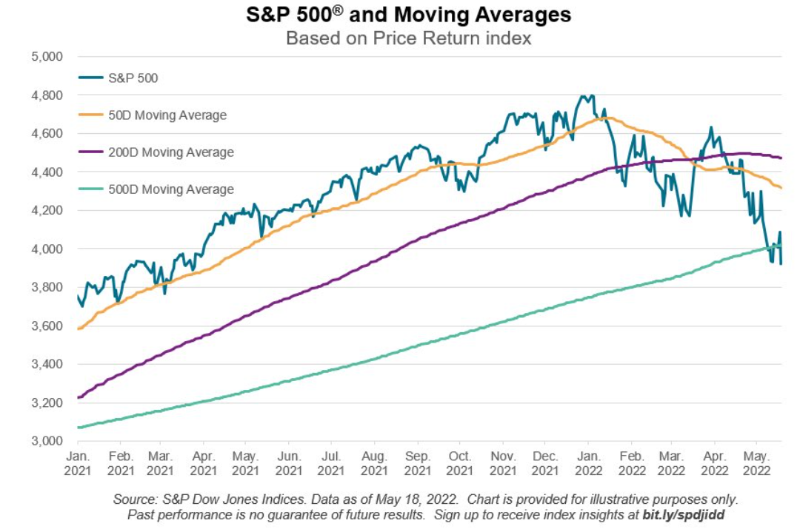
 | AVERAGE & MOVING AVERAGE
 | DAY | 1 | 2 | 3 | 4 | 5 | 6 | 7 | 8 | 9 | 10 | 11 | 12 | 13 | 14 | 15 | 16 | 17 | 18 | 19 | 20
 | STOCK PRICE | 27 | 28 | 28 | 29 | 24 | 27 | 25 | 26 | 32 | 29 | 31 | 32 | 38 | 39 | 29 | 30 | 36 | 37 | 41 | 42
 | AVERAGE |  |  |  |  |  |  |  |  |  |  |  |  |  |  |  |  |  |  |  | 31.5
 | "5-DAY MOVING AVERAGE" |  |  |  |  | 27.2 | 27.2 | 26.6 | 26.2 | 26.8 | 27.8 | 28.6 | 30 | 32.4 | 33.8 | 33.8 | 33.6 | 34.4 | 34.2 | 34.6 | 37.2
 | "10-DAY MOVING AVERAGE" |  |  |  |  |  |  |  |  |  | 27.5 | 27.9 | 28.3 | 29.3 | 30.3 | 30.8 | 31.1 | 32.2 | 33.3 | 34.2 | 35.5

 | STATISTICAL THINKING: | (1) | The Moving Average becomes a "Trend"
 |  | (2) | The Trend becomes your friend in "the World of Equity Investments"

Regression Analysis
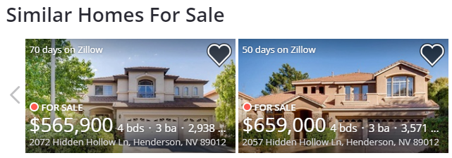
Normal Probability Plot
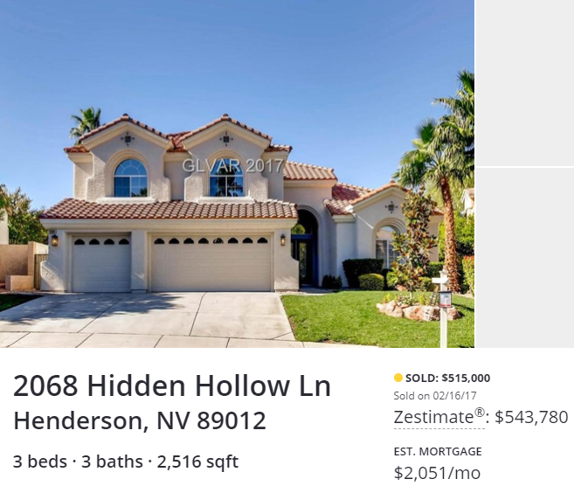
5
 | QUESTION 5 (5 POINTS) |  | https://www.zillow.com/homedetails/2068-Hidden-Hollow-Ln-Henderson-NV-89012/7201316_zpid/ |  |  | QUESTION - What would be the "Regular Asking Price" for the home size 3809 Sq. Ft.? |  |  |  |  |  |  |  |  | QUESTION - What would be the "Regular Asking Price" for the home size 3809 Sq. Ft.?
 | FACTORS INFLUENCING HOME PRICES & AFFORDABILITY: |  |  |  |  |  |  |  |  |  |  |  |  |  |  | (1) REGRESSION MODELING:
 | (Not Easily Quantifiable) (Multi-Variable Regression Method) |  |  |  |  |  |  |  |  |  |  |  |  |  |  |  | CORRELATION = | 0.75 | ** USE CORRELATION EQUATION
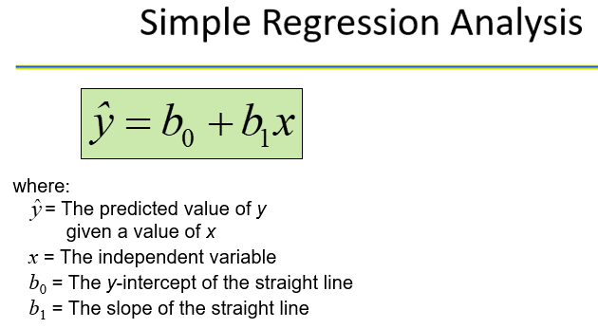
 |  |  |  |  |  | SUMMARY OUTPUT |  |  |  |  |  |  |  |  |  |  | CORRELATION = | 0.75 | *** USE REGRESSION ANALYSIS
 | (1) | Size (Sq. Ft) of the House |  |  |  |  |  |  |  |  |  |  |  |  |  |  | SLOPE = | 178.94
 | (2) | Age of House |  |  |  | Regression Statistics |  |  |  |  |  |  |  |  |  |  | INTERCEPT = | 20229.41
 | (3) | Lot Size |  |  |  | Multiple R | 0.751948269
 | (4) | Heating Type |  |  |  | R Square | 0.56542619925 |  |  |  |  |  |  |  |  | (2) PROJECTED ASKING PRICES FOR THE HOME SIZES BELOW:
 | (5) | School System in Township |  | DATA OF SIMILAR HOMES FOR SALE: |  | Adjusted R Square | 0.55766595281 |  |  |  |  |  |  |  |  |  | HOME SIZE = | 3,809
 | (6) | Property Taxes |  | HOME SIZES (Sq. Ft.); X | ASKING PRICES; Y | Standard Error | 110676.22045 |  |  |  |  |  |  |  |  |  | REGULAR ASKING PRICE = | 701,793
 | (7) | State of U.S. Economy |  | 2,938 | 565,900 | Observations | 58
 | (8) | Kitchen Equipment Upgrades |  | 3,571 | 659,000 |  |  |  |  |  |  |  |  |  |  |  | X | Calculated Y | Y | Difference | % Difference
 | (9) | Pool & Roof Age |  | 2,756 | 550,000 | ANOVA |  |  |  |  |  |  |  |  |  |  | 2,938 | 545,941 | 565,900 | -19,959 | -3.5%
 | (10) | No. of Bathrooms |  | 3,173 | 620,000 |  | df | SS | MS | F | Significance F |  |  |  |  |  | 3,571 | 659,207 | 659,000 | 207 | 0.0%
HOME SIZES (Sq. Ft.); X Line Fit Plot
 | (11) | Fence |  | 2,776 | 549,000 | Regression | 1 | 8.925017039E+11 | 8.925017039E+11 | 72.861886988 | 1.0230957795E-11 |  |  |  |  |  | 2,756 | 513,375 | 550,000 | -36,625 | -6.7%
 | (12) | 3-Car Garage vs. 2-Car Garage |  | 3,648 | 675,000 | Residual | 56 | 6.8595664323E+11 | 12249225772 |  |  |  |  |  |  |  | 3,173 | 587,990 | 620,000 | -32,010 | -5.2%
 | (13) | Drive-way Condition |  | 2,966 | 609,990 | Total | 57 | 1.5784583471E+12 |  |  |  |  |  |  |  |  | 2,776 | 516,953 | 549,000 | -32,047 | -5.8%
 | (14) | Eagerness to Sell |  | 2,371 | 399,000 |  |  |  |  |  |  |  |  |  |  |  | 3,648 | 672,985 | 675,000 | -2,015 | -0.3%
 |  |  |  | 1,620 | 355,000 |  | Coefficients | Standard Error | t Stat | P-value | Lower 95% | Upper 95% | Lower 95.0% | Upper 95.0% |  |  | 2,966 | 550,951 | 609,990 | -59,039 | -9.7%
 |  |  |  | 4,058 | 649,000 | Intercept | 20229.41226 | 50240.995361 | 0.4026475215 | 0.68874052834 | -80415.395403 | 120874.21992 | -80415.395403 | 120874.21992 |  |  | 2,371 | 444,485 | 399,000 | 45,485 | 11.4%
 |  |  |  | 3,052 | 439,950 | HOME SIZES (Sq. Ft.); X | 178.93510054 | 20.962609029 | 8.5359174661 | 1.0230957795E-11 | 136.94194856 | 220.92825252 | 136.94194856 | 220.92825252 |  |  | 1,620 | 310,104 | 355,000 | -44,896 | -12.6%
 |  |  |  | 3,503 | 646,000 |  |  |  |  |  |  |  |  |  |  |  | 4,058 | 746,348 | 649,000 | 97,348 | 15.0%
 |  |  |  | 3,912 | 588,800 |  |  |  |  |  |  |  |  |  |  |  | 3,052 | 566,339 | 439,950 | 126,389 | 28.7%
 |  |  |  | 2,165 | 509,000 |  |  |  |  |  |  |  |  |  |  |  | 3,503 | 647,039 | 646,000 | 1,039 | 0.2%
 |  |  |  | 1,558 | 395,000 | RESIDUAL OUTPUT |  |  |  | PROBABILITY OUTPUT |  |  |  |  |  |  | 3,912 | 720,224 | 588,800 | 131,424 | 22.3%
 |  |  |  | 2,046 | 464,900 |  |  |  |  |  |  |  |  |  |  |  | 2,165 | 407,624 | 509,000 | -101,376 | -19.9%
 |  |  |  | 1,971 | 488,500 | Observation | Predicted ASKING PRICES; Y | Residuals |  | Percentile | ASKING PRICES; Y |  |  |  |  |  | 1,558 | 299,010 | 395,000 | -95,990 | -24.3%
 |  |  |  | 2,080 | 599,000 | 1 | 545940.73766 | 19959.262343 |  | 0.86206896552 | 160000 |  |  |  |  |  | 2,046 | 386,331 | 464,900 | -78,569 | -16.9%
 |  |  |  | 1,627 | 429,900 | 2 | 659206.6563 | -206.65630077 |  | 2.5862068966 | 180000 |  |  |  |  |  | 1,971 | 372,910 | 488,500 | -115,590 | -23.7%
 |  |  |  | 2,827 | 514,900 | 3 | 513374.54936 | 36625.450642 |  | 4.3103448276 | 199000 |  |  |  |  |  | 2,080 | 392,414 | 599,000 | -206,586 | -34.5%
 |  |  |  | 1,989 | 489,900 | 4 | 587990.48628 | 32009.513716 |  | 6.0344827586 | 199000 |  |  |  |  |  | 1,627 | 311,357 | 429,900 | -118,543 | -27.6%
 |  |  |  | 2,405 | 650,000 | 5 | 516953.25137 | 32046.748631 |  | 7.7586206897 | 205000 |  |  |  |  |  | 2,827 | 526,079 | 514,900 | 11,179 | 2.2%
 |  |  |  | 2,600 | 595,000 | 6 | 672984.65904 | 2015.3409574 |  | 9.4827586207 | 209900 |  |  |  |  |  | 1,989 | 376,131 | 489,900 | -113,769 | -23.2%
 |  |  |  | 3,313 | 549,900 | 7 | 550950.92047 | 59039.079528 |  | 11.206896552 | 210000 |  |  |  |  |  | 2,405 | 450,568 | 650,000 | -199,432 | -30.7%
 |  |  |  | 2,441 | 559,000 | 8 | 444484.53565 | -45484.535649 |  | 12.931034483 | 215000 |  |  |  |  |  | 2,600 | 485,461 | 595,000 | -109,539 | -18.4%
 |  |  |  | 2,087 | 465,000 | 9 | 310104.27514 | 44895.72486 |  | 14.655172414 | 223000 |  |  |  |  |  | 3,313 | 613,041 | 549,900 | 63,141 | 11.5%
 |  |  |  | 2,080 | 424,000 | 10 | 746348.05027 | -97348.050265 |  | 16.379310345 | 223000 |  |  |  |  |  | 2,441 | 457,010 | 559,000 | -101,990 | -18.2%
 |  |  |  | 2,530 | 525,000 | 11 | 566339.33912 | -126389.33912 |  | 18.103448276 | 234744 |  |  |  |  |  | 2,087 | 393,667 | 465,000 | -71,333 | -15.3%
 |  |  |  | 3,021 | 700,000 | 12 | 647039.06946 | -1039.0694638 |  | 19.827586207 | 242000 |  |  |  |  |  | 2,080 | 392,414 | 424,000 | -31,586 | -7.4%
 |  |  |  | 2,295 | 695,000 | 13 | 720223.52559 | -131423.52559 |  | 21.551724138 | 244000 |  |  |  |  |  | 2,530 | 472,935 | 525,000 | -52,065 | -9.9%
 |  |  |  | 2,248 | 310,000 | 14 | 407623.90494 | 101376.09506 |  | 23.275862069 | 249900 |  |  |  |  |  | 3,021 | 560,792 | 700,000 | -139,208 | -19.9%
 |  |  |  | 1,862 | 289,900 | 15 | 299010.29891 | 95989.701093 |  | 25 | 249900 |  |  |  |  |  | 2,295 | 430,885 | 695,000 | -264,115 | -38.0%
 |  |  |  | 1,560 | 180,000 | 16 | 386330.62797 | 78569.372028 |  | 26.724137931 | 249900 |  |  |  |  |  | 2,248 | 422,476 | 310,000 | 112,476 | 36.3%
 |  |  |  | 1,119 | 209,900 | 17 | 372910.49543 | 115589.50457 |  | 28.448275862 | 250000 |  |  |  |  |  | 1,862 | 353,407 | 289,900 | 63,507 | 21.9%
 |  |  |  | 2,038 | 250,000 | 18 | 392414.42139 | 206585.57861 |  | 30.172413793 | 250000 |  |  |  |  |  | 1,560 | 299,368 | 180,000 | 119,368 | 66.3%
 |  |  |  | 2,130 | 234,744 | 19 | 311356.82084 | 118543.17916 |  | 31.896551724 | 289900 |  |  |  |  |  | 1,119 | 220,458 | 209,900 | 10,558 | 5.0%
 |  |  |  | 1,119 | 199,000 | 20 | 526078.9415 | -11178.941496 |  | 33.620689655 | 310000 |  |  |  |  |  | 2,038 | 384,899 | 250,000 | 134,899 | 54.0%
 |  |  |  | 2,038 | 249,900 | 21 | 376131.32724 | 113768.67276 |  | 35.344827586 | 355000 |  |  |  |  |  | 2,130 | 401,361 | 234,744 | 166,617 | 71.0%
 |  |  |  | 2,577 | 420,000 | 22 | 450568.32907 | 199431.67093 |  | 37.068965517 | 395000 |  |  |  |  |  | 1,119 | 220,458 | 199,000 | 21,458 | 10.8%
 |  |  |  | 1,836 | 223,000 | 23 | 485460.67367 | 109539.32633 |  | 38.793103448 | 399000 |  |  |  |  |  | 2,038 | 384,899 | 249,900 | 134,999 | 54.0%
 |  |  |  | 1,576 | 242,000 | 24 | 613041.40036 | -63141.400361 |  | 40.517241379 | 420000 |  |  |  |  |  | 2,577 | 481,345 | 420,000 | 61,345 | 14.6%
 |  |  |  | 2,271 | 249,900 | 25 | 457009.99269 | 101990.00731 |  | 42.24137931 | 424000 |  |  |  |  |  | 1,836 | 348,754 | 223,000 | 125,754 | 56.4%
 |  |  |  | 2,008 | 244,000 | 26 | 393666.96709 | 71333.032906 |  | 43.965517241 | 429900 |  |  |  |  |  | 1,576 | 302,231 | 242,000 | 60,231 | 24.9%
 |  |  |  | 1,798 | 210,000 | 27 | 392414.42139 | 31585.57861 |  | 45.689655172 | 429900 |  |  |  |  |  | 2,271 | 426,591 | 249,900 | 176,691 | 70.7%
 |  |  |  | 1,575 | 215,000 | 28 | 472935.21664 | 52064.783365 |  | 47.413793103 | 439950 |  |  |  |  |  | 2,008 | 379,531 | 244,000 | 135,531 | 55.5%
 |  |  |  | 2,038 | 250,000 | 29 | 560792.351 | 139207.649 |  | 49.137931034 | 459000 |  |  |  |  |  | 1,798 | 341,955 | 210,000 | 131,955 | 62.8%
 |  |  |  | 1,130 | 160,000 | 30 | 430885.46801 | 264114.53199 |  | 50.862068966 | 464900 |  |  |  |  |  | 1,575 | 302,052 | 215,000 | 87,052 | 40.5%
 |  |  |  | 1,119 | 199,000 | 31 | 422475.51828 | -112475.51828 |  | 52.586206897 | 464900 |  |  |  |  |  | 2,038 | 384,899 | 250,000 | 134,899 | 54.0%
 |  |  |  | 2,038 | 249,900 | 32 | 353406.56947 | -63506.569472 |  | 54.310344828 | 465000 |  |  |  |  |  | 1,130 | 222,426 | 160,000 | 62,426 | 39.0%
 |  |  |  | 1,570 | 205,000 | 33 | 299368.16911 | -119368.16911 |  | 56.034482759 | 488500 |  |  |  |  |  | 1,119 | 220,458 | 199,000 | 21,458 | 10.8%
 |  |  |  | 1,836 | 223,000 | 34 | 220457.78977 | -10557.789768 |  | 57.75862069 | 489900 |  |  |  |  |  | 2,038 | 384,899 | 249,900 | 134,999 | 54.0%
 |  |  |  | 1,627 | 429,900 | 35 | 384899.14717 | -134899.14717 |  | 59.482758621 | 489900 |  |  |  |  |  | 1,570 | 301,158 | 205,000 | 96,158 | 46.9%
 |  |  |  | 2,626 | 464,900 | 36 | 401361.17642 | -166617.17642 |  | 61.206896552 | 509000 |  |  |  |  |  | 1,836 | 348,754 | 223,000 | 125,754 | 56.4%
 |  |  |  | 1,989 | 489,900 | 37 | 220457.78977 | -21457.789768 |  | 62.931034483 | 514900 |  |  |  |  |  | 1,627 | 311,357 | 429,900 | -118,543 | -27.6%
 |  |  |  | 2,405 | 650,000 | 38 | 384899.14717 | -134999.14717 |  | 64.655172414 | 525000 |  |  |  |  |  | 2,626 | 490,113 | 464,900 | 25,213 | 5.4%
 |  |  |  | 2,200 | 565,000 | 39 | 481345.16636 | -61345.166361 |  | 66.379310345 | 549000 |  |  |  |  |  | 1,989 | 376,131 | 489,900 | -113,769 | -23.2%
 |  |  |  | 3,313 | 549,900 | 40 | 348754.25686 | -125754.25686 |  | 68.103448276 | 549900 |  |  |  |  |  | 2,405 | 450,568 | 650,000 | -199,432 | -30.7%
 |  |  |  | 2,041 | 459,000 | 41 | 302231.13072 | -60231.130717 |  | 69.827586207 | 549900 |  |  |  |  |  | 2,200 | 413,887 | 565,000 | -151,113 | -26.7%
 |  |  |  |  |  | 42 | 426591.02559 | -176691.02559 |  | 71.551724138 | 550000 |  |  |  |  |  | 3,313 | 613,041 | 549,900 | 63,141 | 11.5%
 |  |  |  |  |  | 43 | 379531.09415 | -135531.09415 |  | 73.275862069 | 559000 |  |  |  |  |  | 2,041 | 385,436 | 459,000 | -73,564 | -16.0%
 |  |  |  |  |  | 44 | 341954.72304 | -131954.72304 |  | 75 | 565000 |  |  |  |  | Average | 2,294 | 430,750 | 430,750 | 0 | 0.0%
 |  |  |  |  |  | 45 | 302052.19562 | -87052.195616 |  | 76.724137931 | 565900
 |  |  |  |  |  | 46 | 384899.14717 | -134899.14717 |  | 78.448275862 | 588800
 |  |  |  |  |  | 47 | 222426.07587 | -62426.075874 |  | 80.172413793 | 595000
 |  |  |  |  |  | 48 | 220457.78977 | -21457.789768 |  | 81.896551724 | 599000
 |  |  |  |  |  | 49 | 384899.14717 | -134999.14717 |  | 83.620689655 | 609990
 |  |  |  |  |  | 50 | 301157.52011 | -96157.520113 |  | 85.344827586 | 620000
 |  |  |  |  |  | 51 | 348754.25686 | -125754.25686 |  | 87.068965517 | 646000
 |  |  |  |  |  | 52 | 311356.82084 | 118543.17916 |  | 88.793103448 | 649000
 |  |  |  |  |  | 53 | 490112.98629 | -25212.986287 |  | 90.517241379 | 650000
 |  |  |  |  |  | 54 | 376131.32724 | 113768.67276 |  | 92.24137931 | 650000
 |  |  |  |  |  | 55 | 450568.32907 | 199431.67093 |  | 93.965517241 | 659000
 |  |  |  |  |  | 56 | 413886.63346 | 151113.36654 |  | 95.689655172 | 675000
 |  |  |  |  |  | 57 | 613041.40036 | -63141.400361 |  | 97.413793103 | 695000
 |  |  |  |  |  | 58 | 385435.95247 | 73564.047531 |  | 99.137931034 | 700000

